Sheet1
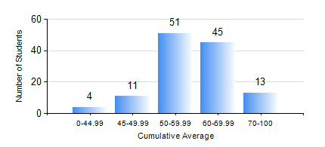
 |  |  | KWAME NKRUMAH UNIVERSITY OF SCIENCE AND TECHNOLOGY, KUMASI Department of Geomatic Engineering

 |  |  | BSC. GEOMATIC ENG.

 |  |  | COMPREHENSIVE RECORD OF EXAMINATION RESULTS

 |  |  | RESULTS OF YEAR 2 SECOND SEMESTER, 2024/2025 ACADEMIC YEAR

 | Sn | Course Code |  | Course Name | Credit Hours | Min. Mark | Max. Mark | Avg. Mark | Std. Dev. | No. Passed | No. Trailed | No. (Df) | No. (I) | No. (I*) | No. Tagged(I,I*,Df) | Total
 | 0. |  |  |  |  |  |  | 0 | 0 | 0 | 0 | 0 | 0 | 0 | 0 | 3
 | 1. | CE 260 |  | SOIL AND ROCK MECHANICS | 3 | 11 | 88 | 57 | 16.69 | 108 | 11 | 0 | 2 | 0 | 2 | 121
 | 2. | ENGL 264 |  | LITERATURE IN ENGLISH II | 1 | 34 | 84 | 66 | 8.4 | 119 | 1 | 0 | 1 | 0 | 1 | 121
 | 3. | GE 262 |  | PRINCIPLES OF REMOTE SENSING | 3 | 22 | 91 | 64 | 12.71 | 118 | 2 | 0 | 1 | 0 | 1 | 121
 | 4. | GE 272 |  | ENGINEERING SURVEY II | 3 | 40 | 86 | 65 | 9.75 | 120 | 0 | 0 | 1 | 0 | 1 | 121
 | 5. | GE 284 |  | HYDROGRAPHIC SURVEYING AND MARINE SCIENCE | 3 | 27 | 87 | 56 | 12.12 | 119 | 1 | 0 | 1 | 0 | 1 | 121
 | 6. | GE 292 |  | PRACTICAL TASK II | 4 | 50 | 92 | 74 | 9.67 | 120 | 0 | 1 | 0 | 0 | 1 | 121
 | 7. | MATH 252 |  | CALCULUS WITH SEVERAL VARIABLES | 4 | 31 | 73 | 51 | 7.71 | 118 | 2 | 0 | 1 | 0 | 1 | 121

